DESCRIPTION
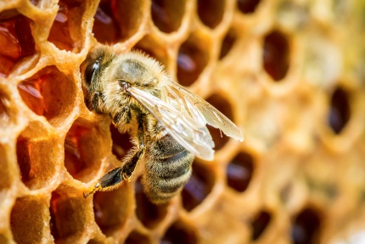
Southwest British Columbia
Small-Scale Farm Enterprise Budget:
Honey Bee
February 2015
kpu.ca/isfs
Institute for Sustainable Food Systems
Kwantlen Polytechnic University

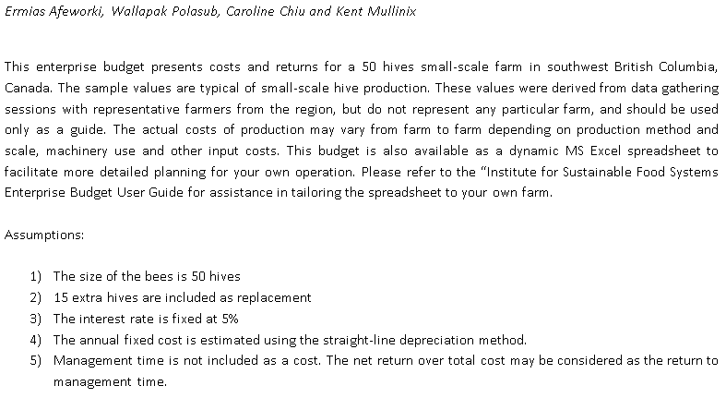

ACKNOWLEDGMENTS

The authors would like to express our sincere appreciation to all the farmers who contributed information used to develop this enterprise budget. We would also like to thank Chris Bodnar, co-owner of Close to Home Organics Ltd, and Heather Pritchard, farm program manager at Farm Folk City Folk, for helping us connect with experienced farmers. We would like to recognize Kwantlen Polytechnic University’s Michael Bomford (Sustainable Agriculture & Food Systems) and Caitlin Dorward (Institute for Sustainable Food Systems) for their invaluable input to this document. Finally, we would like to acknowledge the financial support provided by Vancouver City Savings Credit Union.

The enterprise budgets project was generously funded by Vancouver City Savings Credit Union (Vancity).
Support for this project does not necessarily imply Vancity's endorsement of the findings or contents here in.

